problem statement
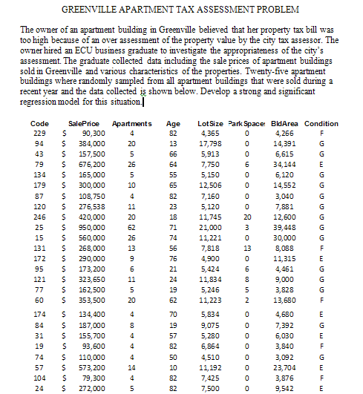
 |  | PROBLEM
Please develop a point and interval estimate for the sales price of an apartment
building with the following characterisics:
 | # of apartments |  | 35
 | age |  | 40
 | lot size |  | 15000
 | parking spaces |  | 15
 | building area |  | 35000
 | condition |  | good

Predicted VS Actual sales price
 | Predicted SalePrice | SalePrice
 | 112211.89562 | $90,300
 | 403073.70144 | $384,000
 | 167168.7615 | $157,500
 | 713365.05601 | $676,200
 | 152100.3117 | $165,000
 | 363740.216 | $300,000
 | 112295.63399 | $108,750
 | 183795.02136 | $276,538
 | 429979.7398 | $420,000
 | 899183.96855 | $950,000
 | 633616.71173 | $560,000
 | 279104.26845 | $268,000
 | 244311.14233 | $290,000
 | 156517.50118 | $173,200
 | 300779.32472 | $323,650
 | 138231.69952 | $162,500
 | 348454.68509 | $353,500
 | 131448.41743 | $134,400
 | 206505.45375 | $187,000
 | 151506.20125 | $155,700
 | 124439.59246 | $93,600
 | 92080.13065 | $110,000
 | 519212.55247 | $573,200
 | 129571.63201 | $79,300
 | 232918.5555 | $272,000

Regression no app g f int age
SUMMARY OUTPUT

Regression Statistics
Multiple R | 0.99440488578
R Square | 0.98884107686
Adjusted R Square | 0.94237208384 |  | test 1 ok
Standard Error | 40191.449753
Observations | 25
 |  |  |  | test 2 ok
ANOVA
 | df | SS | MS | F | Significance F
Regression | 3 | 3.1491564525E+12 | 1.0497188175E+12 | 649.83880046 | 7.348075032E-21
Residual | 22 | 35537757931 | 1615352633.2
Total | 25 | 3184694210444
test 3 ok
 | Coefficients | Standard Error | t Stat | P-value | Lower 95% | Upper 95% | Lower 95.0% | Upper 95.0%
Intercept | 0 | #N/A | #N/A | #N/A | #N/A | #N/A | #N/A | #N/A
LotSize | 7.9843317691 | 1.8180835378 | 4.3916198586 | 0.00023178705406 | 4.2138573023 | 11.754806236 | 4.2138573023 | 11.754806236
ParkSpaces | 5385.6731346 | 1682.994439 | 3.2000540286 | 0.0041315525578 | 1895.3563103 | 8875.9899588 | 1895.3563103 | 8875.9899588
BldArea | 18.134150831 | 1.0973447752 | 16.525481545 | 6.8912472378E-14 | 15.858397066 | 20.409904596 | 15.858397066 | 20.409904596

 |  |  | test 4 ok

RESIDUAL OUTPUT |  |  |  | TEST 5 OK | CHECK TO SEE IF RESIDUALS APPEAR TO BE NORMALLY DISTRIBUTED

Histogram
Observation | Predicted SalePrice | Residuals
1 | 112211.89562 | -21911.895619 |  | Bin | Frequency
2 | 403073.70144 | -19073.701442 |  | -73616.711725 | 1
3 | 167168.7615 | -9668.761501 |  | -40344.773652 | 2
4 | 713365.05601 | -37165.056008 |  | -7072.8355794 | 8
5 | 152100.3117 | 12899.6883 |  | 26199.102493 | 9
6 | 363740.216 | -63740.216004 |  | 59471.040566 | 4
7 | 112295.63399 | -3545.6339946 |  | More | 1
8 | 183795.02136 | 92742.978639
9 | 429979.7398 | -9979.7397962
10 | 899183.96855 | 50816.031445
11 | 633616.71173 | -73616.711725
12 | 279104.26845 | -11104.268445
13 | 244311.14233 | 45688.857673
14 | 156517.50118 | 16682.498818
15 | 300779.32472 | 22870.675284
16 | 138231.69952 | 24268.300483
17 | 348454.68509 | 5045.3149116
18 | 131448.41743 | 2951.5825677
19 | 206505.45375 | -19505.453751
20 | 151506.20125 | 4193.7987453
21 | 124439.59246 | -30839.592456
22 | 92080.13065 | 17919.86935
23 | 519212.55247 | 53987.447531
24 | 129571.63201 | -50271.632008
25 | 232918.5555 | 39081.444498

Predicted SalePrice | SalePrice
112211.89562 | $90,300
403073.70144 | $384,000
167168.7615 | $157,500
713365.05601 | $676,200
152100.3117 | $165,000
363740.216 | $300,000
112295.63399 | $108,750
183795.02136 | $276,538
429979.7398 | $420,000
899183.96855 | $950,000
633616.71173 | $560,000
279104.26845 | $268,000
244311.14233 | $290,000
156517.50118 | $173,200
300779.32472 | $323,650
138231.69952 | $162,500
348454.68509 | $353,500
131448.41743 | $134,400
206505.45375 | $187,000
151506.20125 | $155,700
124439.59246 | $93,600
92080.13065 | $110,000
519212.55247 | $573,200
129571.63201 | $79,300
232918.5555 | $272,000

